ISS reports summary
Cumulative cases w/ symptom onset or diagnosis/swab date and cumulative reported cases. Source: ISS.
 | cumulative incidence of cases w/ symptom onset date | cumulative incidence of cases w/ diagnosis/swab date | cumulative reported cases
2020-03-09 | 4555 | 7812 | 8342
2020-03-10
2020-03-11
2020-03-12 | 8331 | 13323 | 13882
2020-03-13
2020-03-14
2020-03-15
2020-03-16 | 13601 | 24346 | 25028
2020-03-17 | 16181 | 27224 | 28293
2020-03-18 | 17389 | 30722 | 31772
2020-03-19 | 18966 | 34927 | 35731
2020-03-20 | 21157 | 39981 | 42220
2020-03-21 | 22993 | 46584 | 48452
2020-03-22 | 28330 | 50246 | 52796
2020-03-23 | 29603 | 55059 | 57989
2020-03-24 | 31959 | 59203 | 62844
2020-03-25 | 34371 | 64130 | 67814
2020-03-26 | 37403 | 70418 | 73780
2020-03-27 | 44204 | 76714 | 79968
2020-03-28 | 46704 | 82510 | 85308
2020-03-29 | 48525 | 87038 | 89967
2020-03-30 | 53084 | 90972 | 94312
2020-03-31 | 55280 | 95077 | 98716
2020-04-01 | 57951 | 98500 | 102669
2020-04-02 | 60313 | 101994 | 106399
2020-04-03 | 63084 | 107342 | 112401
2020-04-04 | 65145 | 111692 | 117050
2020-04-05 | 70012 | 116363 | 120290
2020-04-06 | 71354 | 120570 | 124527
2020-04-07 | 73040 | 123801 | 127790
2020-04-08 | 75897 | 127642 | 131751
2020-04-09 | 77927 | 131995 | 136110
2020-04-10 | 77878 | 133700 | 139377
2020-04-11 | 81792 | 139347 | 143199
2020-04-12 | 82648 | 142425 | 146321
2020-04-13 | 83817 | 146233 | 150189
2020-04-14
2020-04-15 | 86392 | 151212 | 155467
2020-04-16 | 87954 | 155133 | 159107
2020-04-17 | 90191 | 157904 | 162004
2020-04-18
2020-04-19
2020-04-20 | 93188 | 165282 | 169325
2020-04-21
2020-04-22 | 95815 | 169779 | 173730
2020-04-23 | 97568 | 173325 | 177143
2020-04-24 | 109766 | 179451 | 183269
2020-04-25
2020-04-26
2020-04-27 | 118063 | 193301 | 197096
...
day of week | date | time | cumulative incidence of cases w/ symptom onset date | cumulative incidence of cases w/ diagnosis/swab date | cumulative reported cases | cumulative reported deaths
Mon | 2020-03-09 | 16:00:00 | 4555 | 7812 | 8342 | 357
Tue | 2020-03-10 | 16:00:00
Wed | 2020-03-11 | 16:00:00
Thu | 2020-03-12 | 16:00:00 | 8331 | 13323 | 13882 | 803
Fri | 2020-03-13 | 16:00:00
Sat | 2020-03-14 | 16:00:00
Sun | 2020-03-15 | 16:00:00
Mon | 2020-03-16 | 16:00:00 | 13601 | 24346 | 25028 | 1647
Tue | 2020-03-17 | 16:00:00 | 16181 | 27224 | 28293 | 2003
Wed | 2020-03-18 | 16:00:00 | 17389 | 30722 | 31772 | 2390
Thu | 2020-03-19 | 16:00:00 | 18966 | 34927 | 35731 | 3047
Fri | 2020-03-20 | 16:00:00 | 21157 | 39981 | 42220 | 3200
Sat | 2020-03-21 | 16:00:00 | 22993 | 46584 | 48452 | 3770
Sun | 2020-03-22 | 16:00:00 | 28330 | 50246 | 52796 | 4465
Mon | 2020-03-23 | 16:00:00 | 29603 | 55059 | 57989 | 5019
Tue | 2020-03-24 | 16:00:00 | 31959 | 59203 | 62844 | 5542
Wed | 2020-03-25 | 16:00:00 | 34371 | 64130 | 67814 | 6157
Thu | 2020-03-26 | 16:00:00 | 37403 | 70418 | 73780 | 6801
Fri | 2020-03-27 | 16:00:00 | 44204 | 76714 | 79968 | 7590
Sat | 2020-03-28 | 16:00:00 | 46704 | 82510 | 85308 | 8460
Sun | 2020-03-29 | 17:00:00 | 48525 | 87038 | 89967 | 9220
Mon | 2020-03-30 | 18:00:00 | 53084 | 90972 | 94312 | 10026
Tue | 2020-03-31 | 19:00:00 | 55280 | 95077 | 98716 | 10943
Wed | 2020-04-01 | 16:00:00 | 57951 | 98500 | 102669 | 11857
cumulative reported deaths. Source: ISS.
 | cumulative reported deaths
2020-03-09 | 357
2020-03-10
2020-03-11
2020-03-12 | 803
2020-03-13
2020-03-14
2020-03-15
2020-03-16 | 1647
2020-03-17 | 2003
2020-03-18 | 2390
2020-03-19 | 3047
2020-03-20 | 3200
2020-03-21 | 3770
2020-03-22 | 4465
2020-03-23 | 5019
2020-03-24 | 5542
2020-03-25 | 6157
2020-03-26 | 6801
2020-03-27 | 7590
2020-03-28 | 8460
2020-03-29 | 9220
2020-03-30 | 10026
2020-03-31 | 10943
2020-04-01 | 11857
2020-04-02 | 12550
2020-04-03 | 13241
2020-04-04 | 13828
2020-04-05 | 14381
2020-04-06 | 14860
2020-04-07 | 15751
2020-04-08 | 16162
2020-04-09 | 16654
2020-04-10 | 17364
2020-04-11 | 17916
2020-04-12 | 18366
2020-04-13 | 18641
2020-04-14
2020-04-15 | 19508
2020-04-16 | 19996
2020-04-17 | 20531
2020-04-18
2020-04-19
2020-04-20 | 21551
2020-04-21
2020-04-22 | 22586
2020-04-23 | 23188
2020-04-24 | 23576
2020-04-25
2020-04-26
2020-04-27 | 24780
...
Thu | 2020-04-02 | 16:00:00 | 60313 | 101994 | 106399 | 12550
Fri | 2020-04-03 | 16:00:00 | 63084 | 107342 | 112401 | 13241
Sat | 2020-04-04 | 16:00:00 | 65145 | 111692 | 117050 | 13828
Sun | 2020-04-05 | 16:00:00 | 70012 | 116363 | 120290 | 14381
Mon | 2020-04-06 | 16:00:00 | 71354 | 120570 | 124527 | 14860
Tue | 2020-04-07 | 16:00:00 | 73040 | 123801 | 127790 | 15751
Wed | 2020-04-08 | 16:00:00 | 75897 | 127642 | 131751 | 16162
Thu | 2020-04-09 | 16:00:00 | 77927 | 131995 | 136110 | 16654
Fri | 2020-04-10 | 16:00:00 | 77878 | 133700 | 139377 | 17364
Sat | 2020-04-11 | 16:00:00 | 81792 | 139347 | 143199 | 17916
Sun | 2020-04-12 | 16:00:00 | 82648 | 142425 | 146321 | 18366
Mon | 2020-04-13 | 16:00:00 | 83817 | 146233 | 150189 | 18641
Tue | 2020-04-14 | 16:00:00
Wed | 2020-04-15 | 16:00:00 | 86392 | 151212 | 155467 | 19508
Thu | 2020-04-16 | 16:00:00 | 87954 | 155133 | 159107 | 19996
Fri | 2020-04-17 | 16:00:00 | 90191 | 157904 | 162004 | 20531
Sat | 2020-04-18 | 16:00:00
Sun | 2020-04-19 | 16:00:00
Mon | 2020-04-20 | 16:00:00 | 93188 | 165282 | 169325 | 21551
Tue | 2020-04-21 | 16:00:00
Wed | 2020-04-22 | 16:00:00 | 95815 | 169779 | 173730 | 22586
Thu | 2020-04-23 | 16:00:00 | 97568 | 173325 | 177143 | 23188
Fri | 2020-04-24 | 16:00:00 | 109766 | 179451 | 183269 | 23576
Sat | 2020-04-25 | 16:00:00
Sun | 2020-04-26 | 16:00:00
Mon | 2020-04-27 | 16:00:00 | 118063 | 193301 | 197096 | 24780
Tue | 2020-04-28 | 16:00:00 | 125629 | 195715 | 199470 | 25215
Wed | 2020-04-29 | 16:00:00
Thu | 2020-04-30 | 16:00:00 |  |  | 203545 | 25855
Fri | 2020-05-01 | 16:00:00 | 125955 | 201077 | 204576 | 26049
Sat | 2020-05-02 | 16:00:00
Sun | 2020-05-03 | 16:00:00
Mon | 2020-05-04 | 16:00:00 | 123955 | 205891 | 209254 | 26892
Tue | 2020-05-05 | 16:00:00
Wed | 2020-05-06 | 16:00:00 | 126168 | 209216 | 212532 | 27402
Thu | 2020-05-07 | 16:00:00 | 128038 | 210792 | 214103 | 27955
Fri | 2020-05-08 | 16:00:00 | 139566 | 212385 | 215665 | 28274
Sat | 2020-05-09 | 16:00:00
Sun | 2020-05-10 | 16:00:00
Mon | 2020-05-11 | 16:00:00 | 147572 | 215808 | 218997 | 28903
Tue | 2020-05-12 | 16:00:00
Wed | 2020-05-13 | 16:00:00 | 153006 | 218123 | 221133 | 29525
Thu | 2020-05-14 | 16:00:00 | 154883 | 219189 | 222074 | 29692
Fri | 2020-05-15 | 16:00:00 | 156673 | 220513 | 223095 | 29884
Sat | 2020-05-16 | 16:00:00
Sun | 2020-05-17 | 16:00:00
Mon | 2020-05-18 | 16:00:00 | 161522 | 222939 | 225549 | 30332
Tue | 2020-05-19 | 16:00:00
Wed | 2020-05-20 | 16:00:00
Thu | 2020-05-21 | 16:00:00 | 166142 | 225054 | 227615 | 31096
Fri | 2020-05-22 | 16:00:00 | 167490 | 225788 | 228418 | 31248
Sat | 2020-05-23 | 16:00:00
Sun | 2020-05-24 | 16:00:00
Mon | 2020-05-25 | 16:00:00 | 170563 | 227719 | 230414 | 31546
Tue | 2020-05-26 | 16:00:00 | 171053 | 228125 | 230811 | 31676
Wed | 2020-05-27 | 16:00:00 | 172193 | 228388 | 231030 | 31722
Thu | 2020-05-28 | 16:00:00
Fri | 2020-05-29 | 16:00:00 | 173970 | 229701 | 232269 | 31936
Sat | 2020-05-30 | 16:00:00
Sun | 2020-05-31 | 16:00:00
Mon | 2020-06-01 | 16:00:00 | 175920 | 231076 | 233607 | 32235
Tue | 2020-06-02 | 16:00:00
Wed | 2020-06-03 | 16:00:00 | 177108 | 231617 | 234119 | 32354
Thu | 2020-06-04 | 16:00:00
Fri | 2020-06-05 | 16:00:00
Sat | 2020-06-06 | 16:00:00
Sun | 2020-06-07 | 16:00:00
Mon | 2020-06-08 | 16:00:00 | 180178 | 233784 | 235579 | 32722
Tue | 2020-06-09 | 16:00:00 | 180676 | 234061 | 235827 | 32825
Wed | 2020-06-10 | 16:00:00 | 181453 | 234316 | 236076 | 32867
Thu | 2020-06-11 | 16:00:00
Fri | 2020-06-12 | 16:00:00
Sat | 2020-06-13 | 16:00:00
Sun | 2020-06-14 | 16:00:00
Mon | 2020-06-15 | 16:00:00 | 183243 | 235938 | 237695 | 33168
Tue | 2020-06-16 | 16:00:00 | 183412 | 236372 | 238082 | 33209
Wed | 2020-06-17 | 16:00:00
Thu | 2020-06-18 | 16:00:00
Fri | 2020-06-19 | 16:00:00 | 184627 | 237342 | 238901 | 33369

Italy cases by diagnosis 19jun
Date | Day (category mi) | raw # of cases by diagnosis date (frequency fi) | rounded # of cases by diagnosis date (frequency fi) | adj. rounded # of cases by diagnosis date (frequency fi) | Accumulative # of cases (rounded) | raw # of cases by <diagnosis date (frequency fi) - provisional | rounded # of cases by diagnosis date (frequency fi) - provisional | adj. rounded # of cases by diagnosis date (frequency fi) - provisional | Accumulative # of cases (rounded) - provisional | mifi | mifi provisional | (mi-μ)2fi | WebPlotDigitazer digitization software (https://apps.automeris.io/wpd/) has been used to digitize from pdf graph. The points were extracted manually. The fixed value error bar refers to bar extraction algorithm. Actual errors related to the manual process may differ. |  |  | Image size (px) h x v | 2107 | x | 1580 | val. min | -1100.7 | val. max | 6604.1 | ∆x= | 10 | px | ∆val= | 1 | px
2020-01-01 | 1 |  |  | 0 |  |  |  | 0 |  |  |  |  |  |  |  |  |  | val / px | 4.8764556962 |  |  |  | Estimated Manual Extraction Error (EMEE) = |  |  |  | err. bar= | 5 | val x point
2020-01-02 | 2 |  |  | 0 |  |  |  | 0 |  |  |  |  | Sample size of the source | 237342 | Data source: | https://www.epicentro.iss.it/en/coronavirus/bollettino/Infografica_19giugno%20ENG.pdf |  |  |  |  |  |  | Estimated Axis Calibration Error (EACE) = |  |  |  | '' | '' | ''
Incidence of cases by diagnosis/swab date from 24-jan to 19-jun 2020. Source: ISS*. (*manual extraction from source graph)
 | rounded # of cases by diagnosis date (frequency fi) | rounded # of cases by diagnosis date (frequency fi) - provisional
2020-01-25
2020-01-26
2020-01-27
2020-01-28
2020-01-29 | 7
2020-01-30
2020-01-31
2020-02-01
2020-02-02
2020-02-03
2020-02-04
2020-02-05
2020-02-06
2020-02-07
2020-02-08
2020-02-09
2020-02-10
2020-02-11
2020-02-12
2020-02-13
2020-02-14
2020-02-15
2020-02-16
2020-02-17
2020-02-18
2020-02-19
2020-02-20 | 7
2020-02-21 | 36
2020-02-22 | 55
2020-02-23 | 75
2020-02-24 | 90
2020-02-25 | 197
2020-02-26 | 280
2020-02-27 | 290
2020-02-28 | 359
2020-02-29 | 373
2020-03-01 | 407
2020-03-02 | 637
2020-03-03 | 818
2020-03-04 | 1082
2020-03-05 | 1312
2020-03-06 | 1547
2020-03-07 | 1419
2020-03-08 | 1473
2020-03-09 | 2236
2020-03-10 | 2480
2020-03-11 | 2783
2020-03-12 | 3170
2020-03-13 | 4133
2020-03-14 | 3571
...
https://www.epicentro.iss.it/en/coronavirus/bollettino/Infografica_19giugno%20ENG.pdf
2020-01-03 | 3 |  |  | 0 |  |  |  | 0 |  |  |  |  | Sample size of the extracted ds | 237444 | 102
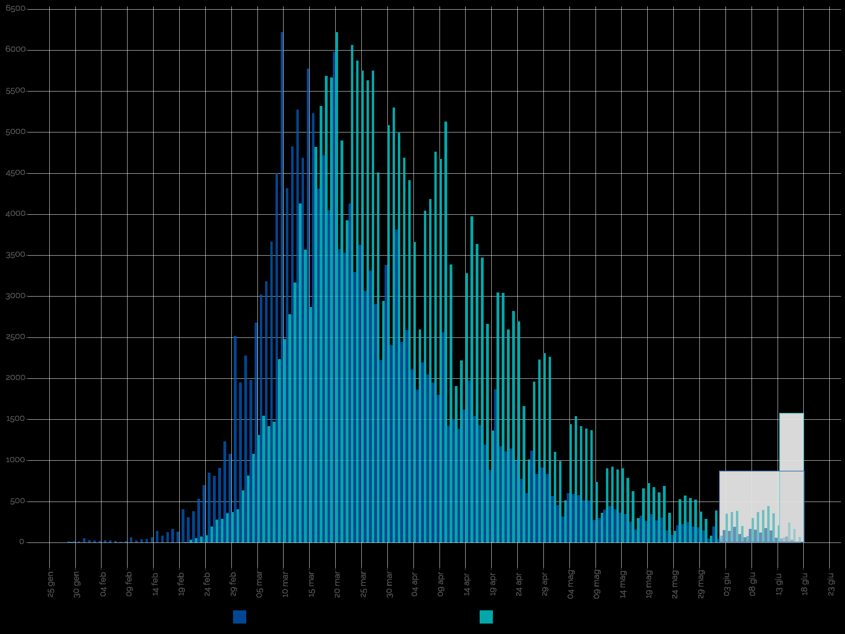
2020-01-04 | 4 |  |  | 0 |  |  |  | 0 |  |  |  |  | Blue area sample size | 233324 | excess-->
2020-01-05 | 5 |  |  | 0 |  |  |  | 0 |  |  |  |  | Grey area sample size | 4120
2020-01-06 | 6 |  |  | 0 |  |  |  | 0 |  |  |  |  |  | Day of the year | DD-Mmm
2020-01-07 | 7 |  |  | 0 |  |  |  | 0 |  |  |  |  | Mean of extracted sample* | 96 | 2020-04-05
2020-01-08 | 8 |  |  | 0 |  |  |  | 0 |  |  |  |  | Mean of blue area sample | 95 | 2020-04-04
2020-01-09 | 9 |  |  | 0 |  |  |  | 0 |  |  |  |  | SD of blue area sample | 19
2020-01-10 | 10 |  |  | 0 |  |  |  | 0 |  |  |  |  | (*the standard error of the sample mean (SEM) is negligible)
2020-01-11 | 11 |  |  | 0 |  |  |  | 0 |  |  |  |  | Mode of blue area sample | 80 | 2020-03-20
2020-01-12 | 12 |  |  | 0 |  |  |  | 0 |  |  |  |  | Median of blue area sample** | 91 | 2020-03-31
2020-01-13 | 13 |  |  | 0 |  |  |  | 0 |  |  |  |  | (**approx. ± 1 day)
2020-01-14 | 14 |  |  | 0 |  |  |  | 0
2020-01-15 | 15 |  |  | 0 |  |  |  | 0
2020-01-16 | 16 |  |  | 0 |  |  |  | 0
2020-01-17 | 17 |  |  | 0 |  |  |  | 0
2020-01-18 | 18 |  |  | 0 |  |  |  | 0
2020-01-19 | 19 |  |  | 0 |  |  |  | 0
2020-01-20 | 20 |  |  | 0 |  |  |  | 0
2020-01-21 | 21 |  |  | 0 |  |  |  | 0
2020-01-22 | 22 |  |  | 0 |  |  |  | 0
2020-01-23 | 23 |  |  | 0 |  |  |  | 0
2020-01-24 | 24 |  |  | 0 |  |  |  | 0
2020-01-25 | 25 |  |  | 0 |  |  |  | 0
2020-01-26 | 26 |  |  | 0 |  |  |  | 0
2020-01-27 | 27 |  |  | 0 |  |  |  | 0
2020-01-28 | 28 |  |  | 0 |  |  |  | 0
2020-01-29 | 29 | 7 | 7 | 6 | 6 |  |  | 0 |  | 178 |  | 30492
2020-01-30 | 30 |  |  | 0 | 6 |  |  | 0
2020-01-31 | 31 |  |  | 0 | 6 |  |  | 0
2020-02-01 | 32 |  |  | 0 | 6 |  |  | 0
2020-02-02 | 33 |  |  | 0 | 6 |  |  | 0
2020-02-03 | 34 |  |  | 0 | 6 |  |  | 0
2020-02-04 | 35 |  |  | 0 | 6 |  |  | 0
2020-02-05 | 36 |  |  | 0 | 6 |  |  | 0
2020-02-06 | 37 |  |  | 0 | 6 |  |  | 0
2020-02-07 | 38 |  |  | 0 | 6 |  |  | 0
2020-02-08 | 39 |  |  | 0 | 6 |  |  | 0
2020-02-09 | 40 |  |  | 0 | 6 |  |  | 0
2020-02-10 | 41 |  |  | 0 | 6 |  |  | 0
Accumulative # of cases by diagnosis/swab date from 24-jan to 19-jun 2020. Source: ISS*. (*manual extraction from source graph)
 | Accumulative # of cases (rounded) | Accumulative # of cases (rounded) - provisional
2020-01-25
2020-01-26
2020-01-27
2020-01-28
2020-01-29 | 6
2020-01-30 | 6
2020-01-31 | 6
2020-02-01 | 6
2020-02-02 | 6
2020-02-03 | 6
2020-02-04 | 6
2020-02-05 | 6
2020-02-06 | 6
2020-02-07 | 6
2020-02-08 | 6
2020-02-09 | 6
2020-02-10 | 6
2020-02-11 | 6
2020-02-12 | 6
2020-02-13 | 6
2020-02-14 | 6
2020-02-15 | 6
2020-02-16 | 6
2020-02-17 | 6
2020-02-18 | 6
2020-02-19 | 6
2020-02-20 | 12
2020-02-21 | 47
2020-02-22 | 102
2020-02-23 | 176
2020-02-24 | 265
2020-02-25 | 461
2020-02-26 | 740
2020-02-27 | 1029
2020-02-28 | 1388
2020-02-29 | 1760
2020-03-01 | 2166
2020-03-02 | 2802
2020-03-03 | 3619
2020-03-04 | 4700
2020-03-05 | 6011
2020-03-06 | 7558
2020-03-07 | 8976
2020-03-08 | 10448
2020-03-09 | 12683
2020-03-10 | 15162
2020-03-11 | 17944
2020-03-12 | 21113
2020-03-13 | 25246
2020-03-14 | 28816
...
https://www.epicentro.iss.it/en/coronavirus/bollettino/Infografica_19giugno%20ENG.pdf
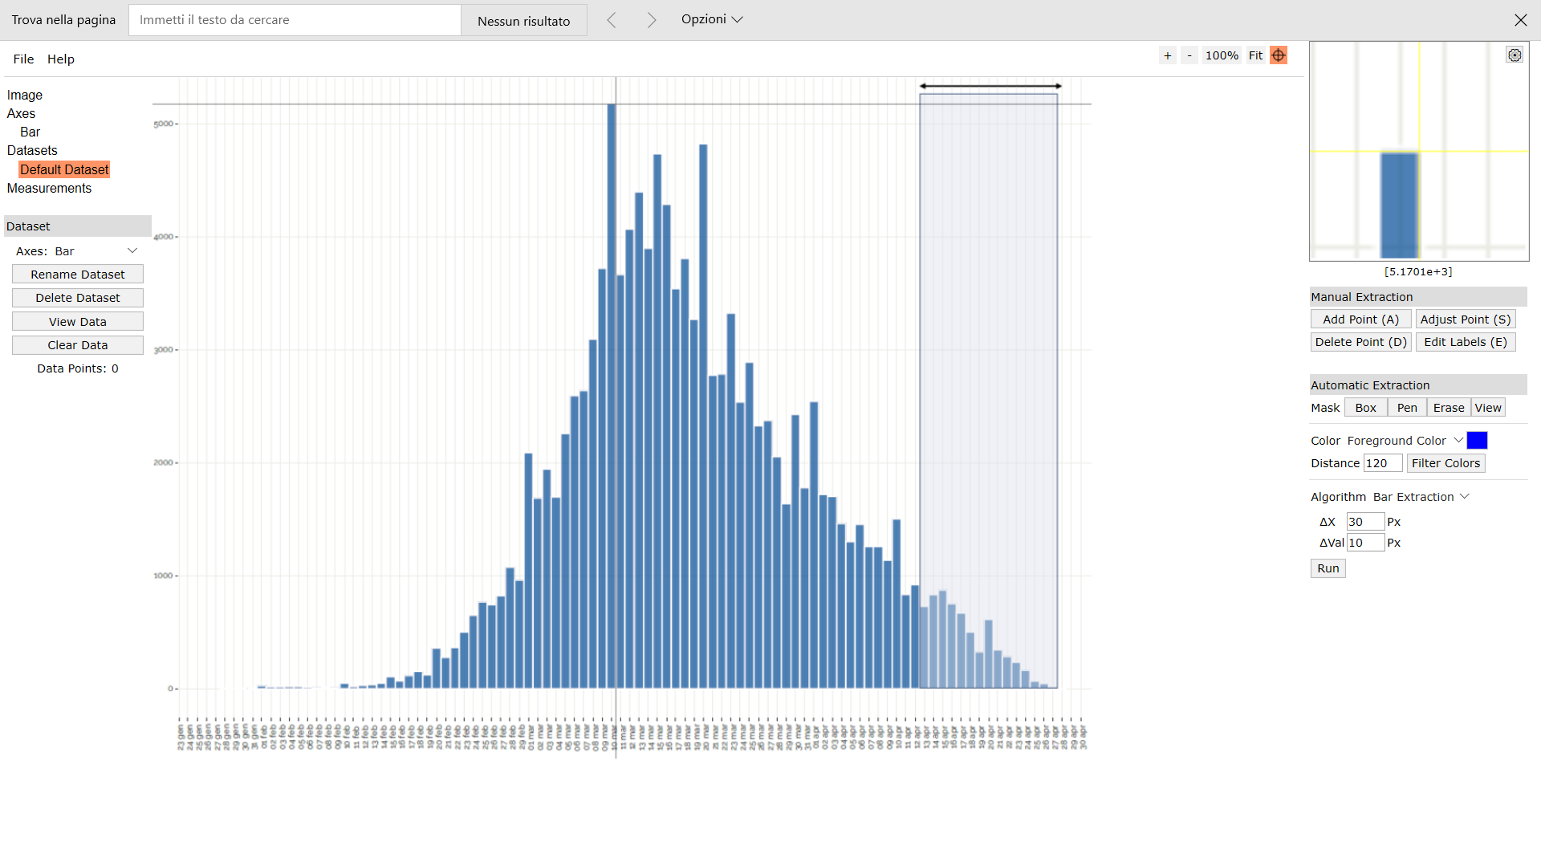
Digitizer example page
2020-02-11 | 42 |  |  | 0 | 6 |  |  | 0
2020-02-12 | 43 |  |  | 0 | 6 |  |  | 0
2020-02-13 | 44 |  |  | 0 | 6 |  |  | 0
2020-02-14 | 45 |  |  | 0 | 6 |  |  | 0
2020-02-15 | 46 |  |  | 0 | 6 |  |  | 0
2020-02-16 | 47 |  |  | 0 | 6 |  |  | 0
2020-02-17 | 48 |  |  | 0 | 6 |  |  | 0
2020-02-18 | 49 |  |  | 0 | 6 |  |  | 0
2020-02-19 | 50 |  |  | 0 | 6 |  |  | 0
2020-02-20 | 51 | 7 | 7 | 6 | 12 |  |  | 0 |  | 314 |  | 11906
2020-02-21 | 52 | 36 | 36 | 35 | 47 |  |  | 0 |  | 1828 |  | 64992
2020-02-22 | 53 | 55 | 55 | 54 | 102 |  |  | 0 |  | 2870 |  | 95521
2020-02-23 | 54 | 75 | 75 | 74 | 176 |  |  | 0 |  | 4004 |  | 124646
2020-02-24 | 55 | 90 | 90 | 89 | 265 |  |  | 0 |  | 4903 |  | 142640
2020-02-25 | 56 | 197 | 197 | 196 | 461 |  |  | 0 |  | 10984 |  | 298344
2020-02-26 | 57 | 280 | 280 | 279 | 740 |  |  | 0 |  | 15912 |  | 403093
2020-02-27 | 58 | 290 | 290 | 289 | 1029 |  |  | 0 |  | 16771 |  | 395846
2020-02-28 | 59 | 359 | 359 | 358 | 1388 |  |  | 0 |  | 21131 |  | 464162
2020-02-29 | 60 | 373 | 373 | 372 | 1760 |  |  | 0 |  | 22329 |  | 455884
2020-03-01 | 61 | 407 | 407 | 406 | 2166 |  |  | 0 |  | 24775 |  | 469509
2020-03-02 | 62 | 637 | 637 | 636 | 2802 |  |  | 0 |  | 39441 |  | 692767
2020-03-03 | 63 | 818 | 818 | 817 | 3619 |  |  | 0 |  | 51480 |  | 836762
2020-03-04 | 64 | 1082 | 1082 | 1081 | 4700 |  |  | 0 |  | 69194 |  | 1038985
2020-03-05 | 65 | 1312 | 1312 | 1311 | 6011 |  |  | 0 |  | 85225 |  | 1180035
2020-03-06 | 66 | 1547 | 1547 | 1546 | 7558 |  |  | 0 |  | 102046 |  | 1300312
2020-03-07 | 67 | 1419 | 1419 | 1418 | 8976 |  |  | 0 |  | 95016 |  | 1111830
2020-03-08 | 68 | 1473 | 1473 | 1472 | 10448 |  |  | 0 |  | 100106 |  | 1073197
2020-03-09 | 69 | 2236 | 2236 | 2235 | 12683 |  |  | 0 |  | 154225 |  | 1510961
2020-03-10 | 70 | 2480 | 2480 | 2479 | 15162 |  |  | 0 |  | 173541 |  | 1549469
2020-03-11 | 71 | 2783 | 2783 | 2782 | 17944 |  |  | 0 |  | 197533 |  | 1602518
2020-03-12 | 72 | 3170 | 3170 | 3169 | 21113 |  |  | 0 |  | 228179 |  | 1676480
2020-03-13 | 73 | 4133 | 4133 | 4132 | 25246 |  |  | 0 |  | 301647 |  | 1999961 |  |  |  |  |  |  |  |  |  |  |  |  |  |  |  | Author: Ankit Rohatgi Title: WebPlotDigitizer Website: https://automeris.io/WebPlotDigitizer Version: 4.2 Date: April, 2019 E-Mail: ankitrohatgi@hotmail.com Location: San Francisco, California, USA
2020-03-14 | 74 | 3571 | 3571 | 3570 | 28816 |  |  | 0 |  | 264191 |  | 1574436
2020-03-15 | 75 | 2871 | 2871 | 2870 | 31686 |  |  | 0 |  | 215261 |  | 1148060
2020-03-16 | 76 | 4822 | 4822 | 4821 | 36507 |  |  | 0 |  | 366407 |  | 1740435
2020-03-17 | 77 | 5321 | 5321 | 5320 | 41827 |  |  | 0 |  | 409652 |  | 1723729
2020-03-18 | 78 | 5688 | 5688 | 5687 | 47514 |  |  | 0 |  | 443598 |  | 1643586
2020-03-19 | 79 | 5668 | 5668 | 5667 | 53182 |  |  | 0 |  | 447705 |  | 1450790
2020-03-20 | 80 | 6220 | 6220 | 6219 | 59401 |  |  | 0 |  | 497532 |  | 1399309
2020-03-21 | 81 | 4900 | 4900 | 4899 | 64300 |  |  | 0 |  | 396831 |  | 960233
2020-03-22 | 82 | 3928 | 3928 | 3927 | 68227 |  |  | 0 |  | 322026 |  | 663688
2020-03-23 | 83 | 6064 | 6064 | 6063 | 74290 |  |  | 0 |  | 503241 |  | 873094
2020-03-24 | 84 | 5873 | 5873 | 5872 | 80162 |  |  | 0 |  | 493261 |  | 710530
2020-03-25 | 85 | 5751 | 5751 | 5750 | 85912 |  |  | 0 |  | 488763 |  | 575015
2020-03-26 | 86 | 5634 | 5634 | 5633 | 91546 |  |  | 0 |  | 484451 |  | 456285
2020-03-27 | 87 | 5751 | 5751 | 5750 | 97296 |  |  | 0 |  | 500263 |  | 368010
2020-03-28 | 88 | 4509 | 4509 | 4508 | 101804 |  |  | 0 |  | 396717 |  | 220899
2020-03-29 | 89 | 2945 | 2945 | 2944 | 104748 |  |  | 0 |  | 262029 |  | 105989
2020-03-30 | 90 | 5086 | 5086 | 5085 | 109833 |  |  | 0 |  | 457663 |  | 127129
2020-03-31 | 91 | 5301 | 5301 | 5300 | 115133 |  |  | 0 |  | 482314 |  | 84802
2020-04-01 | 92 | 4993 | 4993 | 4992 | 120125 |  |  | 0 |  | 459278 |  | 44929
2020-04-02 | 93 | 4690 | 4690 | 4689 | 124815 |  |  | 0 |  | 436091 |  | 18757
2020-04-03 | 94 | 4416 | 4416 | 4415 | 129230 |  |  | 0 |  | 415024 |  | 4415
2020-04-04 | 95 | 3664 | 3664 | 3663 | 132893 |  |  | 0 |  | 347999 |  | 0
2020-04-05 | 96 | 2598 | 2598 | 2597 | 135490 |  |  | 0 |  | 249326 |  | 2597
2020-04-06 | 97 | 4045 | 4045 | 4044 | 139534 |  |  | 0 |  | 392283 |  | 16177
2020-04-07 | 98 | 4187 | 4187 | 4186 | 143720 |  |  | 0 |  | 410243 |  | 37675
2020-04-08 | 99 | 4764 | 4764 | 4763 | 148483 |  |  | 0 |  | 471552 |  | 76210
2020-04-09 | 100 | 4676 | 4676 | 4675 | 153159 |  |  | 0 |  | 467515 |  | 116879
2020-04-10 | 101 | 5130 | 5130 | 5129 | 158288 |  |  | 0 |  | 518044 |  | 184649
2020-04-11 | 102 | 3390 | 3390 | 3389 | 161677 |  |  | 0 |  | 345693 |  | 166068
2020-04-12 | 103 | 1908 | 1908 | 1907 | 163584 |  |  | 0 |  | 196436 |  | 122058
2020-04-13 | 104 | 2221 | 2221 | 2220 | 165804 |  |  | 0 |  | 230896 |  | 179832
2020-04-14 | 105 | 3282 | 3282 | 3281 | 169085 |  |  | 0 |  | 344521 |  | 328115
2020-04-15 | 106 | 3976 | 3976 | 3975 | 173061 |  |  | 0 |  | 421366 |  | 480993
2020-04-16 | 107 | 3639 | 3639 | 3638 | 176699 |  |  | 0 |  | 389282 |  | 523894
2020-04-17 | 108 | 3473 | 3473 | 3472 | 180171 |  |  | 0 |  | 374992 |  | 586793
2020-04-18 | 109 | 2666 | 2666 | 2665 | 182836 |  |  | 0 |  | 290501 |  | 522369
2020-04-19 | 110 | 1366 | 1366 | 1365 | 184201 |  |  | 0 |  | 150167 |  | 307159
2020-04-20 | 111 | 3045 | 3045 | 3044 | 187245 |  |  | 0 |  | 337901 |  | 779302
2020-04-21 | 112 | 3043 | 3043 | 3042 | 190287 |  |  | 0 |  | 340721 |  | 879181
2020-04-22 | 113 | 2598 | 2598 | 2597 | 192885 |  |  | 0 |  | 293478 |  | 841477
2020-04-23 | 114 | 2823 | 2823 | 2822 | 195707 |  |  | 0 |  | 321725 |  | 1018796
2020-04-24 | 115 | 2695 | 2695 | 2694 | 198401 |  |  | 0 |  | 309827 |  | 1077660
2020-04-25 | 116 | 1664 | 1664 | 1663 | 200064 |  |  | 0 |  | 192925 |  | 733449
2020-04-26 | 117 | 1014 | 1014 | 1013 | 201077 |  |  | 0 |  | 118539 |  | 490365
2020-04-27 | 118 | 1962 | 1962 | 1961 | 203038 |  |  | 0 |  | 231416 |  | 1037448
2020-04-28 | 119 | 2231 | 2231 | 2230 | 205268 |  |  | 0 |  | 265388 |  | 1284566
2020-04-29 | 120 | 2309 | 2309 | 2308 | 207577 |  |  | 0 |  | 276978 |  | 1442594
2020-04-30 | 121 | 2265 | 2265 | 2264 | 209841 |  |  | 0 |  | 273962 |  | 1530565
2020-05-01 | 122 | 1107 | 1107 | 1106 | 210947 |  |  | 0 |  | 134950 |  | 806383
2020-05-02 | 123 | 994 | 994 | 993 | 211940 |  |  | 0 |  | 122157 |  | 778630
2020-05-03 | 124 | 515 | 515 | 514 | 212454 |  |  | 0 |  | 63755 |  | 432400
2020-05-04 | 125 | 1444 | 1444 | 1443 | 213897 |  |  | 0 |  | 180394 |  | 1298835
2020-05-05 | 126 | 1542 | 1542 | 1541 | 215439 |  |  | 0 |  | 194185 |  | 1481045
2020-05-06 | 127 | 1419 | 1419 | 1418 | 216857 |  |  | 0 |  | 180105 |  | 1452186
2020-05-07 | 128 | 1390 | 1390 | 1389 | 218246 |  |  | 0 |  | 177811 |  | 1512784
2020-05-08 | 129 | 1371 | 1371 | 1370 | 219616 |  |  | 0 |  | 176749 |  | 1583893
2020-05-09 | 130 | 740 | 740 | 739 | 220355 |  |  | 0 |  | 96090 |  | 905459
2020-05-10 | 131 | 363 | 363 | 362 | 220717 |  |  | 0 |  | 47442 |  | 469346
2020-05-11 | 132 | 906 | 906 | 905 | 221622 |  |  | 0 |  | 119480 |  | 1239150
2020-05-12 | 133 | 926 | 926 | 925 | 222548 |  |  | 0 |  | 123045 |  | 1335917
2020-05-13 | 134 | 891 | 891 | 890 | 223438 |  |  | 0 |  | 119280 |  | 1353918
2020-05-14 | 135 | 906 | 906 | 905 | 224343 |  |  | 0 |  | 122195 |  | 1448240
2020-05-15 | 136 | 789 | 789 | 788 | 225131 |  |  | 0 |  | 107188 |  | 1324880
2020-05-16 | 137 | 627 | 627 | 626 | 225757 |  |  | 0 |  | 85783 |  | 1104529
2020-05-17 | 138 | 300 | 300 | 299 | 226056 |  |  | 0 |  | 41283 |  | 553128
2020-05-18 | 139 | 662 | 662 | 661 | 226717 |  |  | 0 |  | 91900 |  | 1279986
2020-05-19 | 140 | 725 | 725 | 724 | 227442 |  |  | 0 |  | 101381 |  | 1466404
2020-05-20 | 141 | 676 | 676 | 675 | 228117 |  |  | 0 |  | 95196 |  | 1428617
2020-05-21 | 142 | 613 | 613 | 612 | 228729 |  |  | 0 |  | 86925 |  | 1352239
2020-05-22 | 143 | 691 | 691 | 690 | 229419 |  |  | 0 |  | 98691 |  | 1590106
2020-05-23 | 144 | 363 | 363 | 362 | 229781 |  |  | 0 |  | 52150 |  | 869522
2020-05-24 | 145 | 143 | 143 | 142 | 229923 |  |  | 0 |  | 20612 |  | 355375
2020-05-25 | 146 | 530 | 530 | 529 | 230453 |  |  | 0 |  | 77256 |  | 1376319
2020-05-26 | 147 | 574 | 574 | 573 | 231026 |  |  | 0 |  | 84253 |  | 1549798
2020-05-27 | 148 | 544 | 544 | 543 | 231569 |  |  | 0 |  | 80386 |  | 1525708
2020-05-28 | 149 | 525 | 525 | 524 | 232093 |  |  | 0 |  | 78098 |  | 1528421
2020-05-29 | 150 | 378 | 378 | 377 | 232470 |  |  | 0 |  | 56573 |  | 1140879
2020-05-30 | 151 | 290 | 290 | 289 | 232759 |  |  | 0 |  | 43662 |  | 906774
2020-05-31 | 152 | 85 | 85 | 84 | 232843 |  |  | 0 |  | 12791 |  | 273403
2020-06-01 | 153 | 393 | 393 | 392 | 233236 |  |  | 0 |  | 59999 |  | 1319193
2020-06-02 | 154 |  |  | 0 |  | 85 | 85 | 84 | 233320 |  | 12959
2020-06-03 | 155 |  |  | 0 |  | 354 | 354 | 353 | 233673 |  | 54738
2020-06-04 | 156 |  |  | 0 |  | 373 | 373 | 372 | 234045 |  | 58055
2020-06-05 | 157 |  |  | 0 |  | 388 | 388 | 387 | 234432 |  | 60783
2020-06-06 | 158 |  |  | 0 |  | 202 | 202 | 201 | 234633 |  | 31782
2020-06-07 | 159 |  |  | 0 |  | 80 | 80 | 79 | 234712 |  | 12585
2020-06-08 | 160 |  |  | 0 |  | 300 | 300 | 299 | 235012 |  | 47864
2020-06-09 | 161 |  |  | 0 |  | 373 | 373 | 372 | 235384 |  | 59916
2020-06-10 | 162 |  |  | 0 |  | 398 | 398 | 397 | 235781 |  | 64338
2020-06-11 | 163 |  |  | 0 |  | 447 | 447 | 446 | 236227 |  | 72722
2020-06-12 | 164 |  |  | 0 |  | 359 | 359 | 358 | 236585 |  | 58737
2020-06-13 | 165 |  |  | 0 |  | 212 | 212 | 211 | 236796 |  | 34840
2020-06-14 | 166 |  |  | 0 |  | 65 | 65 | 64 | 236861 |  | 10824
2020-06-15 | 167 |  |  | 0 |  | 246 | 246 | 245 | 237106 |  | 41098
2020-06-16 | 168 |  |  | 0 |  | 168 | 168 | 167 | 237273 |  | 28203
2020-06-17 | 169 |  |  | 0 |  | 70 | 70 | 69 | 237342 |  | 11846

